Identify Flowcharting Symbols
The following symbols are commonly used in program flowcharts to visually represent processes and decision points. Please identify these symbols and provide a brief description of their purpose in flowcharting. (5 Points)

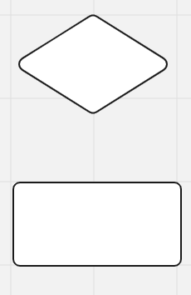
 | Symbol Name | External Module Call | Symbol Name | Decision Symbol
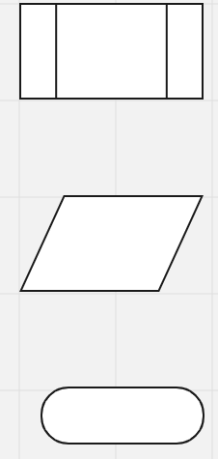
 | Indicates an operation that is well-known |  | Indicates a question to be answered

 | Symbol Name | Input symbol | Symbol Name | Processing symbol

 | Indicates an input function |  | Indicates a math operation statement

 | Symbol Name | Terminal symbol

 | Indicates the start and stop

SDLC - Interactive
1The Software Development Life Cycle (SDLC) is a structured process utilized for designing, developing, and testing high-quality software. It is a methodology that outlines the comprehensive process of software development in a systematic manner. For this assignment enter the name of the SDLC step in the blue boxes by double clicking on the terminal shape
Software Development Life Cycle (SDLC)
Write the code
Translate the code

Plan the logic

Test the program

2 Name two interactive programming languages.

Maintain the program
1 | Python
Put the program into production
2 | Ruby

